Methodology
Project name: |  |  | A number of fields in this workbook are locked to prevent accidental editing. To access locked cells, go to the "Review" tab at the top of this page and click "Unprotect Sheet"
Project manager:
These tables are editable - you should review them to ensure they meet your project requirements
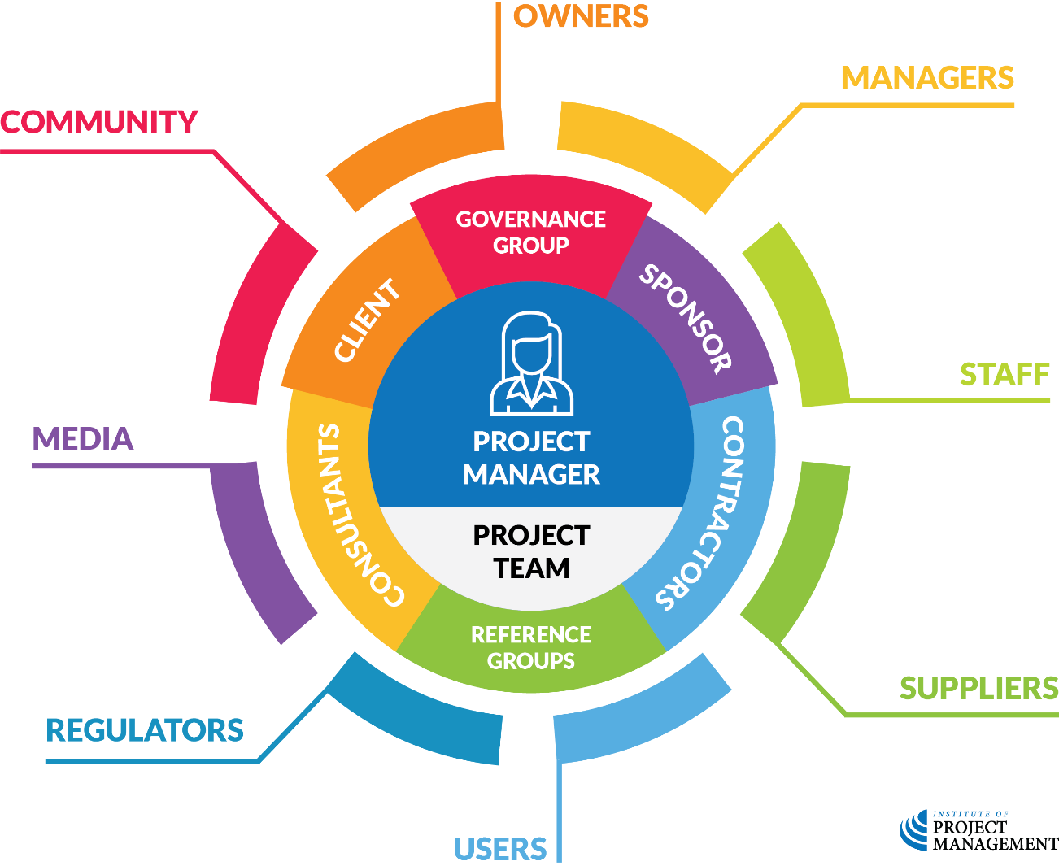
Table 1 - Stakeholder Categories and Definitions
CATEGORY |  | DEFINITION
Project team |  | Employee of the performing organisation delivering project tasks
Consultant |  | External expert who provides advice to the project
Contractor |  | External expert who delivers project tasks
Client |  | Person who commissions and accepts delivery of the project outputs
Sponsor |  | Person in the performing oprganisation the project manager is accountable to
Governance group |  | Member of the project steering committee or change control group
Reference group |  | Member of an advisory group supporting the project
Owner |  | Shareholder or member of the organisation performing the project
Manager |  | Business unit manager in the performing organisation
Staff |  | Employee of the performing organisation not directly involved in the project
Supplier |  | Supplier of project inputs not performing project tasks
User |  | A person or organisation that will use the project’s outputs
Regulator |  | Government or industry agency with legal authority over aspects of the project
Media |  | Traditional or new media publisher
Community |  | Non-user with an interest in the project
Table 2 - Power Ratings and Definitions
RATING |  | DEFINITION | Table 4 - Qualitative Stakeholder Assessment Matrix
5 | Very high | This stakeholder can direct (or have a massive impact on) the course of the project | 1 | Monitor | 6 | Consult | 15 | Collaborate
4 | High | This stakeholder can have a major impact on the project’s schedule and/or budget, and/or a minor impact on the project’s scope | 2 | Monitor | 8 | Consult | 16 | Collaborate
3 | Moderate | This stakeholder can have a minor impact on the project’s schedule and/or budget | 3 | Inform | 9 | Consult | 20 | Empower
2 | Low | This stakeholder cannot impact the project, but may know (or have access to) someone who can | 4 | Inform | 10 | Involve | 25 | Empower
1 | Very low | This stakeholder cannot directly impact the project | 5 | Consult | 12 | Involve
Table 3 - Interest Ratings and Definitions |  |  | Table 4a - Qualitative Stakeholder Assessment Matrix
RATING |  | DEFINITION | Do not edit this table Please update the fields 1-25 listed above |  | INTEREST
5 | Very high positive | This stakeholder is passionately advocating for the project and its outcomes, and will be devastated / furious if the project fails |  |  | ±1 | ±2 | ±3 | ±4 | ±5
4 | High positive | This stakeholder is highly supportive of the project and its benefits and will be angry if the project fails | POWER | 5 | Consult | Involve | Collaborate | Empower | Empower
3 | Moderate positive | This stakeholder sees benefit to themself in the project and will be annoyed if the project fails |  | 4 | Inform | Consult | Involve | Collaborate | Empower
2 | Low positive | This stakeholder sees benefit to others in the project and will be disappointed if the project fails |  | 3 | Inform | Consult | Consult | Involve | Collaborate
1 | Very low positive | If asked, this stakeholder would probably prefer the project succeeds, but does not feel strongly either way |  | 2 | Monitor | Inform | Consult | Consult | Involve
-1 | Very low negative | If asked, this stakeholder would probably prefer the project didn’t continue, but does not feel strongly either way |  | 1 | Monitor | Monitor | Inform | Inform | Consult
-2 | Low negative | This stakeholder sees some harm to others in the project and would like to see it ended
-3 | Moderate negative | This stakeholder anticipates negative outcomes for themselves from the project and will be happy if it does not go ahead |  | Table 5 - Engagement Strategies and Defnitions
-4 | High negative | This stakeholder believes that the financial and/or social costs of the project are greater than any potential benefits it may realise |  | STRATEGY | DEFINITIONS
-5 | Very high negative | This stakeholder is openly hostile to the project and its intended outcomes and will be vindicated if the project ends early |  | Monitor | Track this stakeholder’s commentary in traditional and social media to see if their level of interest (or access to power) changes
This project management template is provided free of charge by the Institute of Project Management under a GNU General Public License. |  |  |  | Inform | Provide this stakeholder with relevant, high-level information about the project at regular intervals / milestones
By downloading and using this resource, you accept its terms and conditions of use. |  |  |  | Consult | Obtain this stakeholder’s feedback on key project decisions that are relevent to them
In short, you can redistribute and/or modify this template to your heart’s content, but without any warranty (real or implied) about its merchantability or fitness for a particular purpose. |  |  |  | Involve | Rely on this stakeholder’s expert advice when making decisions about the project
This template is offered ‘as is’, and is not supported by a help desk. Please visit http://microsoft.com for editing tips and tricks. |  |  |  | Collaborate | Partner with this stakeholder to develop alternatives and arrive at solutions that are acceptable to the collaboration group
For example, the excel sheets are protected to prevent accidentally overwriting formulas, but not password protected. |  |  |  | Empower | Authorise this stakeholder to make specific decisions about the project
You can contact us to learn how this or other project management assets might be customised for your project or organisation.

